Indices

 | Iraq Stock Exchange
 | Bulletin No (113)
 | ISX Trading Indices of Wednesday 1/7/2026

 | Traded Volume and OTC |  | 1,221,109,716 |  | Traded Value and OTC |  | 1,829,467,767 |  | Traders | 1204

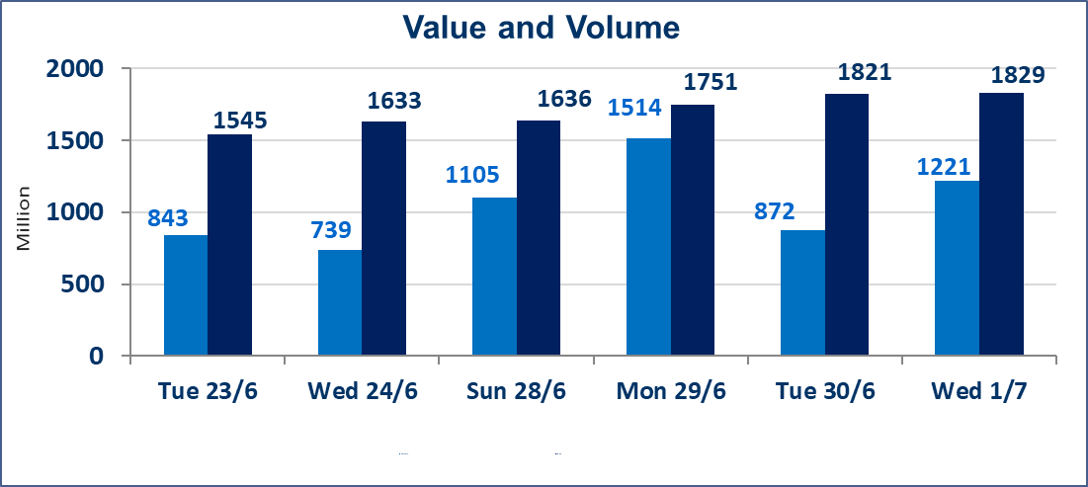
 | ISX Index 60 |  |  | 1026.53 | ISX Index 15 |  |  | 1280.11
 | Previous ISX Index60 |  |  | 1019.39 | Previous ISX Index15 |  |  | 1273.79
 | Change % |  |  | 0.70 | Change % |  |  | 0.50
 | Change |  |  | 7.14 | Change |  |  | 6.32

 | Listed Companies | 103 | OTC | 17 | Non Traded listed | 46 | OTC | 15
 | Traded Listed Companies | 44 | OTC | 1 | Higher Companies |  |  | 13
 | GAM Companies |  |  | 5 | Lower Companies |  |  | 8
 | Suspended Companies |  |  | 8 | GAM Companies OTC |  |  | 1
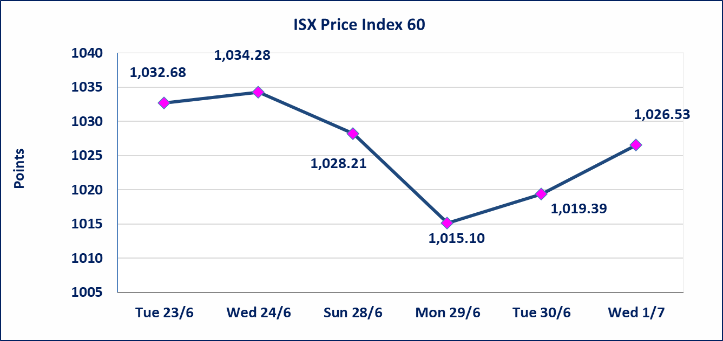
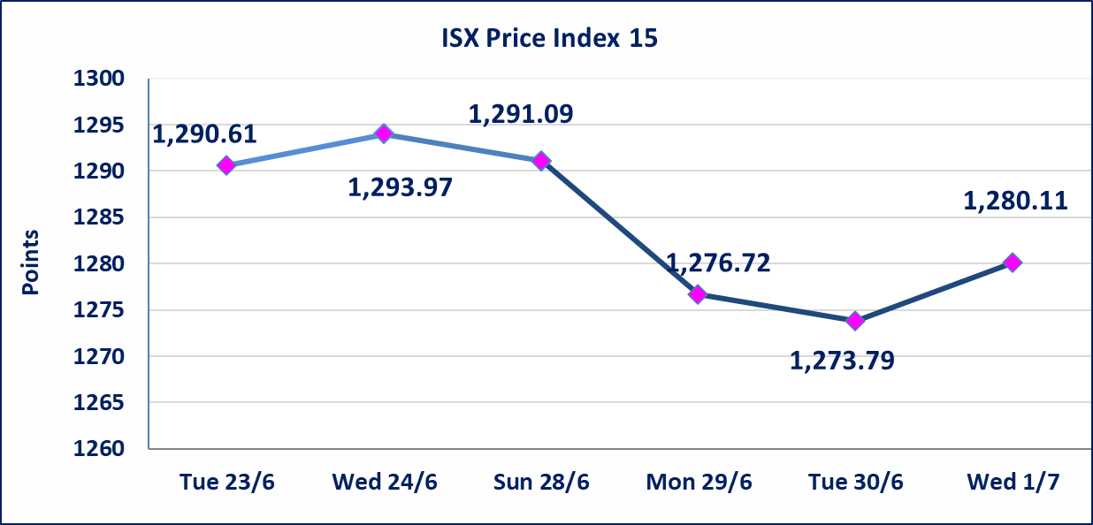

Al-Alwiya P.O . 3607 Mobile: 07711211522 - 07270094594 - 07834000034 E-mail: info-isx@isx-iq.net Web site:www.isx-iq.net

Top 5
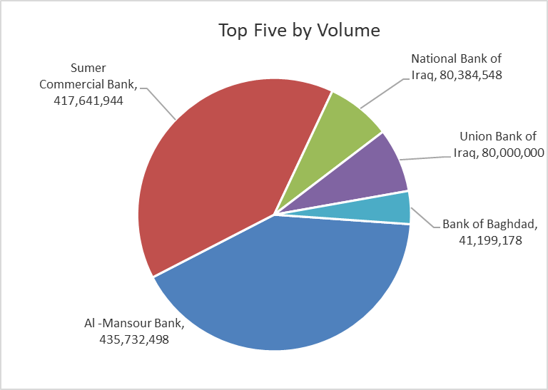
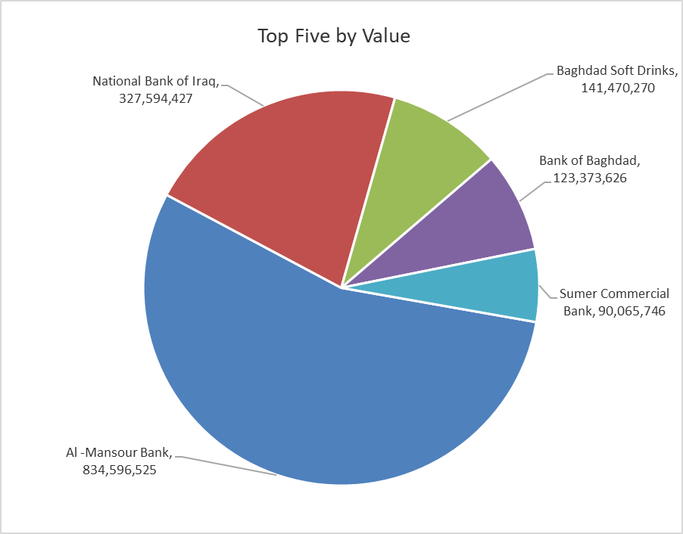

ISX top ganing and losing companies
Wednesday 1/7/2026
 | Gainers |  |  |  | Losers
 | Company Name | Closing Price | Change (%) | Traded Volume | Company Name | Closing Price | Change (%) | Traded Volume
 | Sumer Commercial Bank | 0.230 | 15.00 | 417,641,944 | Babil Animal & Vegetable Production | 8.010 | -8.87 | 237,337
 | Iraqi Date Processing and Marketing | 2.650 | 10.42 | 384,119 | Kurdistan International Bank | 1.450 | -3.97 | 21,828
 | Al -Khazer Construction Materials | 1.250 | 8.70 | 26,306 | Investment Bank of Iraq | 0.330 | -2.94 | 13,500,000
 | Al-Khatam Telecom | 3.950 | 5.33 | 133,596 | Al-Hilal Industries | 1.520 | -1.94 | 36,972
 | Baghdad Hotel | 13.100 | 4.80 | 1,900,952 | Iraqi Carton Manufactories | 2.700 | -1.82 | 3,253
 | The most active companies in term of traded volume and value

 | Traded Volume |  |  |  | Traded Value
 | Company Name | Closing Price | Change (%) | Traded Volume | Company Name | Closing Price | Change (%) | Traded Value
 | Al -Mansour Bank | 1.940 | 1.04 | 435,732,498 | Al -Mansour Bank | 1.940 | 1.04 | 834,596,525
 | Sumer Commercial Bank | 0.230 | 15.00 | 417,641,944 | National Bank of Iraq | 4.050 | -0.25 | 327,594,427
 | National Bank of Iraq | 4.050 | -0.25 | 80,384,548 | Baghdad Soft Drinks | 6.720 | 0.75 | 141,470,270
 | Union Bank of Iraq | 0.160 | 0.00 | 80,000,000 | Bank of Baghdad | 3.020 | 2.37 | 123,373,626
 | Bank of Baghdad | 3.020 | 2.37 | 41,199,178 | Sumer Commercial Bank | 0.230 | 15.00 | 90,065,746

Non Iraqis

Iraq Stock Exchange
Non Iraqis' Bulletin Wednesday July 1 2026
Regular Market

Non Iraqi Trading of Regular Market (Buy)
Company Names | Code | No.of trades | Traded Shares | Trading Volume
Banks Sector
Commercial Bank of Iraq | BCOI | 2 | 10,000 | 6,700
Bank Of Baghdad | BBOB | 13 | 15,805,780 | 47,463,729
National Bank Of Iraq | BNOI | 2 | 378,940 | 1,568,812
Ashur International Bank | BASH | 1 | 100,000 | 34,000
Al-Mansour Bank | BMNS | 56 | 215,617,978 | 414,597,851
Total Bank sector |  | 74 | 231,912,698 | 463,671,092
Telecommunication Sector
Asia cell | TASC | 1 | 30,000 | 491,100
Total Telecommunication sector |  | 1 | 30,000 | 491,100
Grand Total |  | 75 | 231,942,698 | 464,162,192

Non Iraqi Trading of Regular Market (Sell)
Company Names | Code | No.of trades | Traded Shares | Trading Volume
Banks Sector
National Bank Of Iraq | BNOI | 64 | 67,561,514 | 274,794,327
Total Bank sector |  | 64 | 67,561,514 | 274,794,327
Grand Total |  | 64 | 67,561,514 | 274,794,327

Non Iraqi Trading of Second Market (BUY)
Company Names | Code | No. of trades | Traded Volume | Traded Value
Banks Sector
Credit Bank Of Iraq | BROI | 2 | 400,000 | 224,000
Total Bank sector |  | 2 | 400,000 | 224,000
Grand Total |  | 2 | 400,000 | 224,000

OTC

Iraq Stock Exchange

Wednesday 1/7/2026

OTC Platform Trading Bulletin No (113)
Company Name | Code | highest price | lowest price | Average price | No.of Trades | Traded Volume | Traded Value
Banks Sector
Al-Warka Bank | BWAI | 0.150 | 0.140 | 0.150 | 3 | 6,780,766 | 1,009,307
Total Of Money Service Sector |  |  |  |  | 3 | 6,780,766 | 1,009,307
Total |  |  |  |  | 3 | 6,780,766 | 1,009,307

Not Trading OTC Companies
Company Name |  |  | Code |  | Previous Average price
Banks Sector
Al-Sanam Islamic Bank |  |  | BSAN |  | 3.000
Hammurabi Commercial Bank |  |  | BHAM |  | ـــــــــــــــــــــــــــــــــــ
Industrial Sector
Kirkuk producing constructional materials |  |  | IKFP |  | 2.660
Money Service Sector
Rabee Securities |  |  | FRSE |  | 9.050
Karmal Brokerage |  |  | FKSX |  | 10.000
Iraqi Deposit Insurance Corporation |  |  | FIDI |  | 1.000
Ishtar Gate for e-Paymant |  |  | FISH |  | 1.000
Sama Baghdad Exchange |  |  | FSBE |  | ـــــــــــــــــــــــــــــــــــ
Insurance Sector
Zain lnsurance Company |  |  | NZA |  | ـــــــــــــــــــــــــــــــــــ
Dar Altheqa Insurance Company |  |  | NDAR |  | ـــــــــــــــــــــــــــــــــــ
Shatt Al Arab Insurance |  |  | NSHA |  | 1.000
Al Badia Insurance |  |  | NBAD |  | ـــــــــــــــــــــــــــــــــــ
Kurdistan Insurance |  |  | NKUI |  | 0.500
Elaf Insurance |  |  | NELF |  | ـــــــــــــــــــــــــــــــــــ
Dilina Insurance Company |  |  | NDIL |  | ـــــــــــــــــــــــــــــــــــ

Not Trading Bonds

Iraq Stock Exchange
Tuesday 30/6/2026
Not Trading Bonds Bulletin
Bond type | Publish type | Code | last trading price | immortilize date
Banaa Bonds /Million ID | Second | CB20 | 964,981 | 19/12/2025
Eamar Bonds /Million ID | First | CB30 | 1,001,095 | ــــــــــــــــ
Eamar Bonds /Million ID | Second | CB40 | ــــــــــــــــ | ــــــــــــــــ
Eamar Bonds /500 Thousand ID | Third | CB45 | ــــــــــــــــ | ــــــــــــــــ
Eamar Bonds /Million ID | Third | CB50 | ــــــــــــــــ | ــــــــــــــــ
Injaz Bonds /500 Thousand ID | First | CB55 | ــــــــــــــــ | ــــــــــــــــ
Injaz Bonds /Million ID | First | CB60 | 951,110 | ــــــــــــــــ
Injaz Bonds /500 Thousand ID | Second | CB65 | 511,000
Injaz Bonds /Million ID | Second | CB70 | 965,050 | ــــــــــــــــ
Injaz Bonds /500 Thousand ID | Third | CB75 | ــــــــــــــــ | ــــــــــــــــ
Injaz Bonds /Million ID | Third | CB80 | 978,182 | ــــــــــــــــ
National Bonds/Million ID | First | CB90 | ــــــــــــــــ | ــــــــــــــــ
National Bonds/500 Thousand ID | Second | CB95 | ــــــــــــــــ | ــــــــــــــــ
National Bonds/Million ID | Second | CB100 | ــــــــــــــــ | ــــــــــــــــ

